SPACE
Financial Position | Rating |  | Stability Position | Rating
Return on investment | 4 |  | Rate of inflation | -3
Leverage | 4 |  | Demand Changes | -3
Net Income | 6 |  | Price Elasticity of demand | -1
EPS | 5 |  | Competitive pressure | -3
ROE | 5 |  | Barriers to entry new markets | -3
Cash Flow | 4 |  | Risk involved in business | -2
Average | 4.67 |  | Average | -2.5 | 1.08

Competitive Advantage | Rating |  | Industry Position | Rating
Market share | -1 |  | Growth potential | 5
Product Quality | -1 |  | Financial stability | 5
Customer Loyalty | -1 |  | Ease of entry new markets | 4
Control over other parties | -2 |  | Resources utilization | 4
 |  |  | Profit potential | 5
 |  |  | Demand variability | 3
Average | -1.25 |  | Average | 4.33 | 1.54

X-axis | 0 | 1.08
Y-axis | 0 | 1.54

BCG
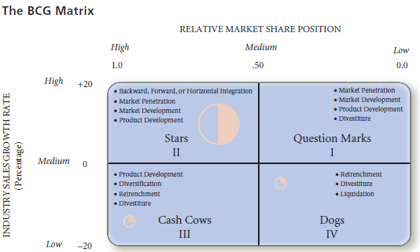
McDonald's Notes to Consolidated Financial Statements
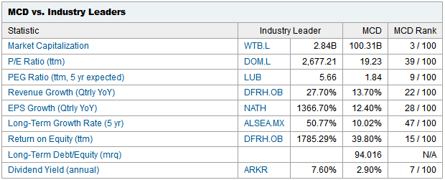
Segment and Geographic Information
In millions | 2010 | Growth | 2009 |  | 2008
U.S. | $8,111.6 | 2.11% | $7,943.8 |  | $8,078.3
Europe | 9,569.2 | 3.19% | 9,273.8 |  | 9,922.9
APMEA | 5,065.5 | 16.80% | 4,337.0 |  | 4,230.8
Other Countries & Corporate | 1,328.3 | 11.61% | 1,190.1 |  | 1,290.4
Total revenues | $24,074.6 | 5.85% | $22,744.7 |  | $23,522.4
U.S. | $3,446.5 |  | $3,231.7 |  | $3,059.7
Europe | 2,796.8 |  | 2,588.1 |  | 2,608.0
APMEA | 1,199.9 | (1) | 989.5 |  | 818.8
Other Countries & Corporate | 29.9 | (2) | 31.7 | (3) | (43.6)
Total operating income | $7,473.1 |  | $6,841.0 |  | $6,442.9 | RMSP: Relative Market Share Position |  |  |  | RMSP is ratio of a division’s own market share (or revenues) in a particular industry to the market share (or revenues) held by the largest rival firm in that industry
U.S. | $10,467.7 |  | $10,429.3 |  | $10,356.7 | IG Rate: Industry Growth Rate |  |  |  | Industry Growth rate of each division relative to all other divisions in the organization
Europe | 11,360.7 |  | 11,494.4 |  | 10,532.7
APMEA | 5,374.0 |  | 4,409.0 |  | 4,074.6 | Geography | Sales | % Sales | Profit | % Profit | RMSP | IG Rate
Other Countries & Corporate | 4,772.8 |  | 3,892.2 |  | 3,497.5 | U.S. | $8,111,600,000.0 | 33.69% | $3,446,500,000.0 | 46.12% | 0.72 | 36.13% | YUM Revenue | 11,343,000,000
Total assets | $31,975.2 |  | $30,224.9 |  | $28,461.5 | Europe | $9,569,200,000.0 | 39.75% | $2,796,800,000.0 | 37.42% | 0.84 | 54.48%
U.S. | $530.5 |  | $659.4 |  | $837.4 | APMEA (Asia/Pacific/Middle East/Africa) | $5,065,500,000.0 | 21.04% | $1,199,900,000.0 | 16.06% | 0.45 | 287.28%
Europe | 978.5 |  | 859.3 |  | 864.1 | Other Countries & Corporate | $1,328,300,000.0 | 5.52% | $29,900,000.0 | 0.40% | 0.12 | 198.60%
APMEA | 493.1 |  | 354.6 |  | 360.6 |  | $24,074,600,000.00 | 100.00% | $7,473,100,000.0 | 100.00% | 2.12
Other Countries & Corporate | 133.4 |  | 78.8 |  | 73.6
Total capital expenditures | $2,135.5 |  | $1,952.1 |  | $2,135.7
U.S. | $433.0 |  | $423.8 |  | $400.9
Europe | 500.5 |  | 483.2 |  | 506.3
APMEA | 232.4 |  | 202.9 |  | 193.4
Other Countries & Corporate | 110.3 |  | 106.3 |  | 107.2
Total depreciation and amortization | $1,276.2 |  | $1,216.2 |  | $1,207.8

(1) Includes expense due to Impairment and other charges (credits), net of $39.3 million related to the Company's share
of restaurant closings in McDonald's Japan (a 50%-owned affiliate).
(2) Includes income due to Impairment and other charges (credits), net of $21.0 million related to the resolution of certain
liabilites retained in connection with the 2007 Latin America developmental license transaction.
(3) Includes income due to Impairment and other charges (credits), net of $65.2 million primarily related to the resolution of certain
liabilites retained in connection with the 2007 Latin America developmental license transaction.

